Form
 |  | Property

 |  | Supplier |  |  |  |  |  |  |  |  |  |  |  | Statement Date
 |  |  | From
 |  |  | To
 |  | Date Based On
 |  |  |  |  |  |  |  |  |  |  |  |  |  | Filter

 |  |  |  | From
 |  |  |  | To

 | Property |  |  |  |  |  |  |  |  |  |  |  | Floor |  |  |  | To |  |  |  |  |  |  | Description : utk note tambahan di template reportnya
 | Invoice Type |  |  |  |  |  |  |  |  |  |  |  | Reference No |  |  |  | To |  |  |  |  |  |  | Default Template Name sudah ada di Invoice Group
 | Department |  |  |  |  |  |  |  |  |  |  |  | Reference Date |  |  |  | To
 | Invoice Group |  |  |  |  |  |  |  |  |  |  |  | Customer |  |  |  |  |  |  |  |  |  |  | Template Name Comobobox cm ada 2 value:
 | Invoice Period |  |  |  |  |  |  | Cut Off Date |  |  |  |  |  | From |  |  |  |  |  |  |  |  |  | - Standard 1
 | Building Id |  |  |  |  |  |  |  |  |  |  |  |  | To |  |  |  |  |  |  |  |  |  | - Standard 2
 | Template Name |  |  |  |  |  |  |  |  |  |  |  | Filter By |  |  |  |  |  |  |  |  |  |  | Invoice Charges : bs liat INVOICE PLAN
 | Description |  |  |  |  |  |  |  |  |  |  |  |  |  |  |  |  |  |  |  |  |  |  | SELECT * FROM GSB_CODE_DT WHERE CCLASS_ID LIKE '%INVOICE_TYPE%'
 |  |  |  |  |  |  |  |  |  |  |  |  |  |  |  |  |  |  |  |  |  |  |  | CCLASS_RECID invoice < 20

 |  | Invoice No |  |  |  | Invoice Date |  | Tenant ID |  |  | Tenant Name |  | Dept Code |  | Agreement No | Total Unit |  | Unit Description |  |  |  |  |  | Charge and Utility
 |  |  |  |  |  |  |  |  |  |  |  |  |  |  |  |  |  |  |  |  |  |  |  | Deposit
 |  |  |  |  |  |  |  |  |  |  |  |  |  |  |  |  |  |  |  |  |  |  |  | Penalty | dr Penalty Manager
 |  |  |  |  |  |  |  |  |  |  |  |  |  |  |  |  |  |  | Email Address |  |  |  |  | Other | = input manual dr proforma atau PM invoice (invoice General)

 |  |  |  |  |  |  |  |  |  |  |  |  |  |  |  |  |  |  |  | Print |  |  |  | cek Utility Master utk liat detail Utility
 |  |  |  |  |  |  |  |  |  |  |  |  |  |  |  |  |  |  |  |  | Distribute |  | = label liat PMB04000

 |  |  |  |  |  |  |  |  |  |  |  |  |  |  |  |  |  |  |  |  |  |  | syarat & ketentuan di template report : info bank ambil dr tenant profile

 |  |  |  |  |  |  |  |  |  |  |  |  |  |  |  |  |  |  |  |  |  | Print Once Only : (disabled) report ini cm bs d print 1x. Tergantung user nya, default value.

 |  |  |  |  |  |  |  |  |  |  |  |  |  |  |  |  |  |  |  |  |  |  | !Design template report d sediain masing2 charges 2,
 |  |  |  |  |  |  |  |  |  |  |  |  |  |  |  |  |  |  |  |  |  |  | bentuk yg summary deail summary detail
 |  |  |  |  |  |  |  |  |  |  |  |  |  |  |  |  |  |  |  |  |  |  | sm bentuk yg summary dlu semua, baru nti detailnya lampiran d akhir.

Property Id

 |  |  | Property
 |  |  | Cut Off Date
 |  |  | Department
 |  |  | Period |  |  |  |  |  |  | To
 |  |  | Reference Date |  |  |  |  |  |  | To
 |  |  | Due Date |  |  |  |  |  |  | To
 |  |  | Reference No |  |  |  |  |  |  | To
 |  |  | Customer Id
 |  |  | Agreement Dept
 |  |  | Agreement No
 |  |  | Currency
 |  |  | Total Amount |  |  | between |  |  |  |  |  | and
 |  |  | Remaining Amt |  |  | between |  |  |  |  |  | and
 |  |  | Days Late |  |  | between |  |  |  |  |  | and
 |  |  | Invoice Type
 |  |  | Invoice Group

 |  |  |  | Property
 |  |  |  | Invoice Period
 |  |  |  | Building |  |  |  |  |  |  | To

 |  |  |  |  |  |  | Utility Type

 |  |  |  |  |  |  | Utility Type :

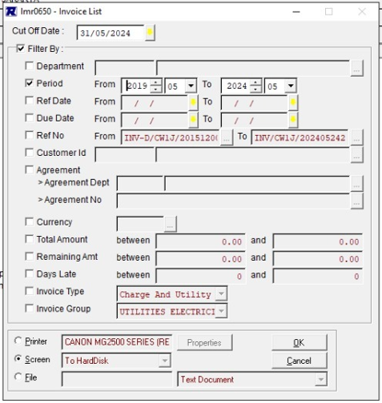

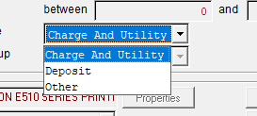

 |  |  |  |  | Property
 |  |  |  |  | Report Type

 |  |  |  |  |  | Output to |  | : | o | Screen
 |  |  |  |  |  |  |  |  | o | Printer |  |  |  | V

Report base on Date
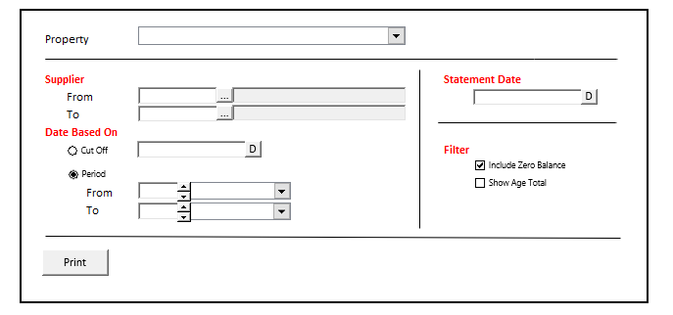
STANDARD REPORT HEADER

Property : [Property]
Statement Date : [StatementDate]
Cut Off Date : [CutOfDate]

Supplier : [SupplierId] - [SupplierName]

Invoice No |  | Invoice Date |  | Description |  |  | Curr | Amount
 |  |  |  |  |  |  |  | Original |  | Outstanding
xxxxxxxxxxxxxxxxxxxxxx |  | xx/xx/xxxxx |  | xxxxxxxxxxxxxxxxxxxxxxxxxxxxxxxxxxxxxxxx |  |  | IDR |  | x00.000.000,00 |  | x00.000.000,00
xxxxxxxxxxxxxxxxxxxxxx |  | xx/xx/xxxxx |  | xxxxxxxxxxxxxxxxxxxxxxxxxxxxxxxxxxxxxxxx |  |  | IDR |  | x00.000,00 |  | x00.000,00
xxxxxxxxxxxxxxxxxxxxxx |  | xx/xx/xxxxx |  | xxxxxxxxxxxxxxxxxxxxxxxxxxxxxxxxxxxxxxxx |  |  | IDR |  | x00.000.000,00 |  | x00.000.000,00
xxxxxxxxxxxxxxxxxxxxxx |  | xx/xx/xxxxx |  | xxxxxxxxxxxxxxxxxxxxxxxxxxxxxxxxxxxxxxxx |  |  | IDR |  | x00.000.000,00 |  | x00.000.000,00
xxxxxxxxxxxxxxxxxxxxxx |  | xx/xx/xxxxx |  | xxxxxxxxxxxxxxxxxxxxxxxxxxxxxxxxxxxxxxxx |  |  | SGD |  | x00.000,00 |  | x0.000,00
xxxxxxxxxxxxxxxxxxxxxx |  | xx/xx/xxxxx |  | xxxxxxxxxxxxxxxxxxxxxxxxxxxxxxxxxxxxxxxx |  |  | SGD |  | x00.000,00 |  | x0.000,00
 |  |  |  |  |  |  | Sub Total (IDR) |  |  |  | x00.000.000,00
 |  |  |  |  |  |  | Sub Total (SGD) |  |  |  | x0.000,00

Age Total |  |  |  |  |  |  |  |  |  |  |  | <- Show where Age Total Checked
Not Due | Current |  | > 30 Days |  | > 60 Days | > 90 Days |  | > 120 Days |  | Unallocated Payment |  | <- Show wherenAge Total Checked
x00.000.000,00 | x00.000.000,00 |  | x00.000.000,00 |  | x00.000.000,00 | x00.000.000,00 |  | x00.000.000,00 |  | x00.000.000,00 |  | <- Show where Age Total Checked

